Bug Report(cart)
Bug ID | Bug title | Prerequisites | Steps | Expected result | Actual result | Severity | priority | Attachment
store_cart_001 | user able to add product to cart without logging in_MicrosoftEdge | 1- Open the site | 1-Open the site 2-select product to be added to cart without logging in. 3- press add to cart button 4-observe the action will be displayed . | user will not be able to add the product to the cart without logging in | user able to add the product to the cart "product added" | Meduim | Meduim
store_cart_002 | There is no link in the notification message to redirect the user to his cart. | 1- Open the site | 1-login with valid username and password 2- select available product to buy 3- press "add to cart" button 4-observe the notification message will be displayed . | There will be a link in the notification message to redirect the user to his cart. | notification message"product added" without link to redirect the user to his cart. | Low | Low | 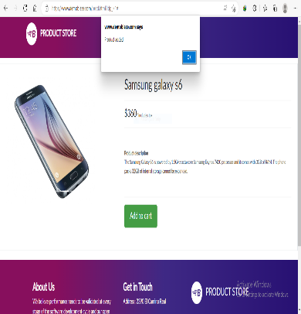

Bug Report (contact)
Bug ID | Bug title | Prerequisites | Steps | Expected result | Actual result | Severity | priority | Attachment
store_contact_001 | user able to send the message even all the fields are empty | 1- Open the site | 1-Open the site 2-leave all the fileds(Contact Name , Contact Email , message) empty 3-press send 4-observe the action will be displayed . | user will not be able to send the message. | user able to send the message "thanks for the message!!" appears |  |  | 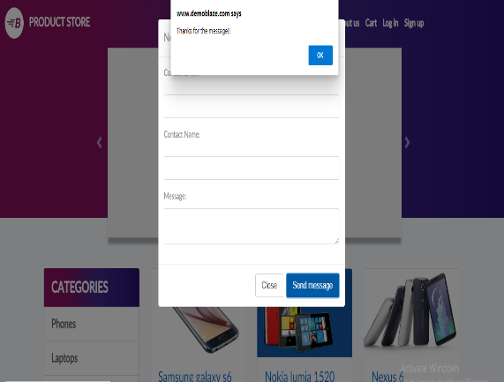
store_contact_002 | user able to send the message although contact E-mail field is empty | 1- Open the site | 1-Open the site 2-Enter valid data to all fields except contact E-mail leave it empty 3-press send 4-observe the action will be displayed . | user will not be able to send the message. | user able to send the message "thanks for the message!!" appears |  |  | 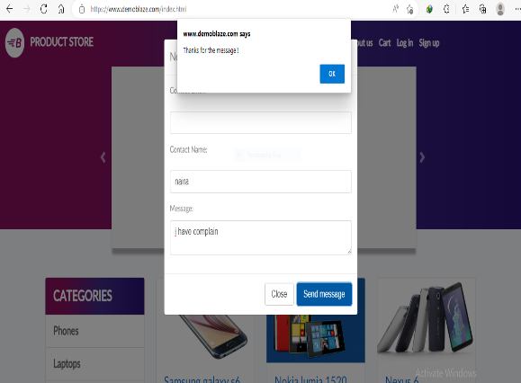
store_contact_003 | user able to send the message although contact Name field is empty | 1- Open the site | 1-Open the site 2-Enter valid data to all fields except contact Name leave it empty 3-press send 4-observe the action will be displayed . | user will not be able to send the message. | user able to send the message "thanks for the message!!" appears |  |  | 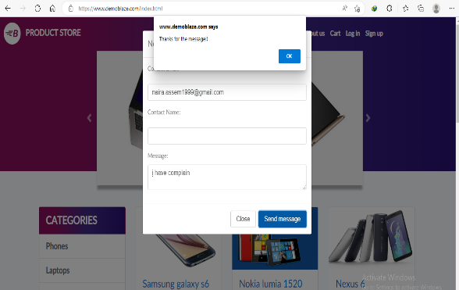
store_contact_004 | user able to send the message although message field is empty | 1- Open the site | 1-Open the site 2-Enter valid data to all fields except message field leave it empty 3-press send 4-observe the action will be displayed . | user will not be able to send the message. | user able to send the message "thanks for the message!!" appears |  |  | 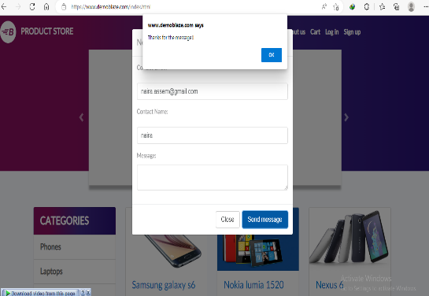
store_contact_005 | user able to send the message although contact email not valid structure. | 1- Open the site | 1-Open the site 2-Enter valid data to all fields except contact email field . 3-press send 4-observe the action will be displayed . | user will not be able to send the message. | user able to send the message "thanks for the message!!" appears |  |  | 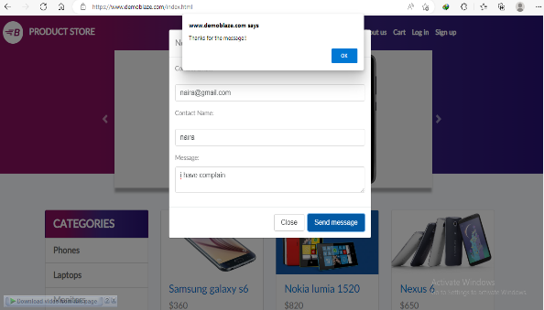
store_contact_006 | user able to send the message the although message has exceeded the allowed number of characters | 1- Open the site | 1-Open the site 2-Enter valid data to all fields except contact email field . 3-press send 4-observe the action will be displayed . | user will not be able to send the message. | user able to send the message "thanks for the message!!" appears

